Item List
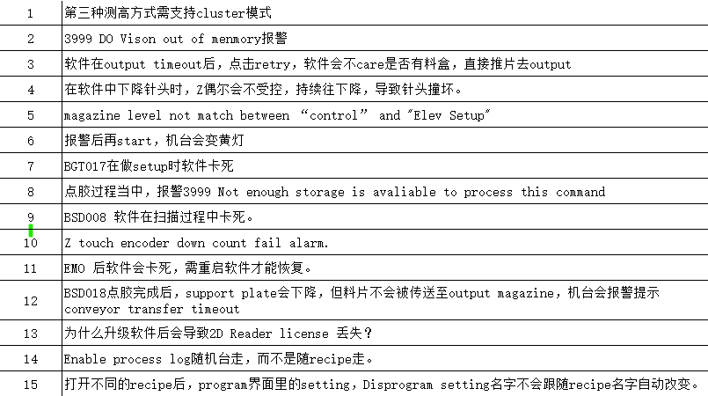
No | Date | PIC | Item | Remark | Status | Is isolate? (Mc No)
1 |  |  | The LSF Measurement by cluster. | 23/9 KN: Support LSF Cluster Mode | Pending Test
2 |  |  | 3999 Do_Vision Out of Memory. | 20/9 KN lets monitor by machine. | Further Monitoring
3 |  |  | Unload timeout, retry check magazine is psnt. | 20/9 KN Added mag check for retry. | Pending UCD Verification
4 |  |  | Z Axis jog down, some time not stop | 23/9 KN: Code change to Async for GZN MouseDown, free UI thread to process GZN MouseUp. | Pending UCD Verification
5 |  |  | Mag Level need to match Elev Setup Mag Count | 20/9 KN Corrected display. | Pending UCD Verification
6 |  |  | Continue Run, Correct Tower Light Yellow due to Do_Vision state | 20/9 KN Refactor all Tower Light States | Pending UCD Verification
7 |  |  | BGT017 Software freese during Setup | 20/9 KN futher monitoring needed. Old mc. | Further Monitoring | BGT017
8 |  |  | 3999 Not enough storage is available to process this command | 20/9 KN Is this machine specific? | Further Monitoring
9 |  |  | BSD008 Software freeze during scanning | 20/9 KN futher monitoring needed. Old mc. | Further Monitoring | BGT008
10 |  |  | Z Touch Encoder Down Count fail. | 20/9 KN this should be machine specific not software. The touch module may need maintainance. | Pending Test
11 |  |  | After EMO, software freeze and need to restart. | 20/9 KN Is this machine specific? | Further Monitoring
12 |  |  | BSD018 dispense complete, support plate down, panel not transfer to out and alarm conv timeout. | 20/9 KN this should be machine specific not software. | Need local resolution | BGT018
13 |  |  | 2D License lost after upgrading software? | 20/9 KN supplier communication was added. | Replied by Supplier
14 |  |  | Enable Process Log to to as local. | 20/9 KN Updated to machine. | Pending UCD Verification
15 |  |  | Correct DispProg.Setting recipe name display. | 4/9 KN 6.1.5.5 Display corrent recipe name. | Pending UCD Verification
16 |  |  | Disable Map Edit | 23/9 KN: 6.1.6.0 Diable Map Edit during Auto Run. | Pending UCD Verification
17 |  |  | Vision Data Not Ready, machine continue to run. | 26/9 KN: 6.1.6.1 ErrCode.PROGRAM_VISION_DATA_NOT_READY and Stop Program | Pending UCD Verification
18 | 2024-09-30 | YZ | Manual execute DO_HEIGHT Error Stop buzzer not mute. | 30/9 KN: 6.1.6.1 Update Tower Light Status | Pending UCD Verification
19 | 2024-09-30 | YZ | Low Pressure + PusherRunConv, Manual LoadPro, Frame may flow through conveyor. | 30/9 KN: 6.1.6.1 Check Low Pressure for Manual MHS Operation | Pending UCD Verification
20 | 2024-10-17 | LYL | Program Mode Tower Light Red at alarm | 26/10 KN: v6.1.6.3 DispProg.ProgramMode, execute Yellow, Red and Buzzer, suppress Green Light to Yellow Light. | Pending UCD Verification
21 | 2024-10-17 | LYL | Process Log default enabled | 26/10 KN: v6.1.6.3 Option_EnableProcessLog save as Setup. Default to true. Remove saving from recipe. | Pending UCD Verification
22 | 2024-10-17 | LYL | Set Origin Clear Mapping and start from beginning | 26/10 KN: v6.1.6.3 Set Origin Clear Run State. | Pending UCD Verification
23 | 2025-10-25 | LYL | Log Auto Controls | 26/10 KN: Log already exist in Event File since earlier time "Auto Start Run.", "Auto Stop Run.". "Change Option." was added on 6.1.5. | Pending UCD Verification
24 | 2024-11-01 | LYL | RMS Download recipe name with {space} at the end. YL feedback only happen on x64 os. | 8/12 KN: v6.1.7.0 Trim spaces.
25 | 2024-10-28 | LYL | Request to add log to all actions on controls | 3/12 KN: v6.1.7.0 All control button action are logged to event.
26 | 2024-11-04 | Chen | 3999 Cannot load Counter Name Error, x64 on specific machine | 4/11 KN: x6.1.6.3+ Encapulate EnableDebugInfo to prevent Performance calculation when disabled.
27 | 2024-11-29 | LYL | Auto LoadPro/Return log corresponding action. | 3/12 KN: v6.1.7.0 All control button action are logged to event.
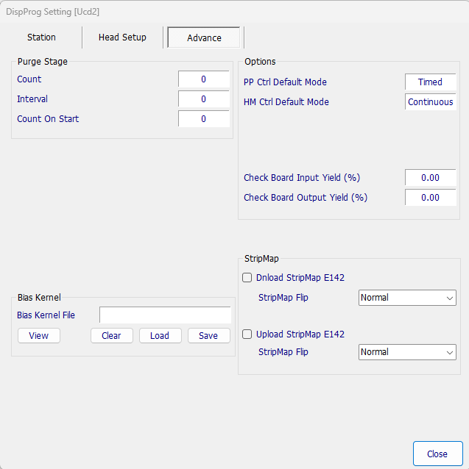
28 | 2024-11-29 | LYL | Heli Clean/Purge disable Purge Mode | 3/12 KN: Set Ctrl Force Time Mode to false. This option for Timed mode application only.
29 | 2024-11-29 | LYL | Heli Pump Adj update, Ctrl 1 setting to initial settings. | 3/12 KN: Use PumpAdj, parameter for PumpAdj is priotiy
30 | 2024-11-29 | LYL | Reques to add Heli Purge timer | 3/12 KN: v6.1.7.0 Added Purge Timer.
31 | 2024-11-29 | LYL | MHS>Conv option change add to log. | 3/12 KN: v6.1.7.0 Added Control Log
32 | 2024-11-29 | LYL | Options>Performance tab option changes add to log. | 3/12 KN: v6.1.7.0 Added Control Log
33 | 2024-11-29 | LYL | Low Pressure setting is automatically cancel for no reason. | 3/12 KN: v6.1.7.0 Removed Cancel Button

